Sheet1
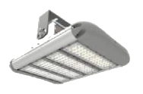
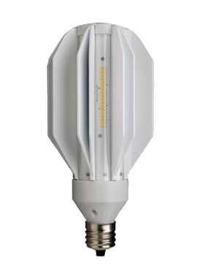

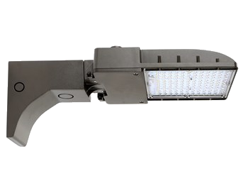
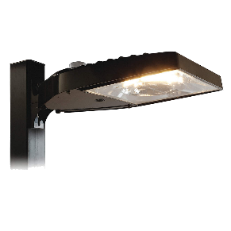
S p e c i a l i z e d L i g h t i n g C a l c u l a t o r Nebraska Industrial Assessment Center

N I A C Designed by Tom Fulton |  |  |  | pass: unprotect

Enter Values Here
Enter Values Here
EXIT SIGNS |  |  |  |  |  |  |  |  |  | EXTERIOR/SPECIAL LIGHTING
Number of Exit Signs: |  | Current Wattage: |  | Usage Rate: |  |  | Demand Rate: |  |  | Number of Units: |  | Hours of Operation: |  | Usage Rate: |  |  | Demand Rate:

Current Usage: |  | Current Demand: |  | Current Cost: |  |  |  |  |  | Current Usage: |  | Current Demand: |  | Current Cost: |  |  | Current Wattage:

Proposed Usage: |  | Proposed Demand: |  | Proposed Cost: |  |  |  |  |  | Proposed Usage: |  | Proposed Demand: |  | Proposed Cost: |  |  | Proposed Wattage:

Energy Savings: |  | Demand Savings: |  | Cost Savings: |  | Implementation Cost: |  | Simple Payback: |  | Energy Savings: |  | Demand Savings: |  | Cost Savings: |  | Implementation Cost: |  | Simple Payback:

Replacement Sign: Lithonia LQM S W 3 R Red AC-Only LED Exit Sign
Quantity: | Price / Unit: | Supply Voltage: | Input Watts: | Max Amps: | Typical Life: |  |  |  |  | REPLACEMENT TYPES: |  |  |  |  | 4. Waterproof Fixtures (3)
1 to 3 | $52.59 | 120 V | 0.62 W | 0.05 A | 10 Years |  |  |  |  | 1. Exterior Wall: Traditional Forward Fixture (5) |  |  |  |  | 5. Heat Resistant LED Fixtures (3)
4 to 6 | $50.83 | 277 V | 0.69 W | 0.06 A |  |  |  |  |  | 2. Exterior Wall: Full Cutoff Fixture (2) |  |  |  |  | 6. HID Bulb Replacement - Corncob Retrofit (3)
7+ | $49.58 |  |  |  |  |  |  |  |  | 3. Exterior: Pole-Mountable Fixture (3) |  |  |  |  | 7. Exterior: Shoebox/Pole Area Fixtures (5)

1. Exterior Wall: Traditional Forward Fixture |  |  |  |  | 2. Exterior Wall: Full Cutoff Fixture |  |  |  |  | 3. Exterior: Pole-Mountable Fixture |  |  |  |  | 4. Waterproof Fixtures
Brand/#: | Wattage: | Replaces: | Lumens: | Price/Unit: | Brand/#: | Wattage: | Replaces: | Lumens: | Price/Unit: | Brand/#: | Wattage: | Replaces: | Lumens: | Price/Unit: | Brand/#: | Wattage: | Replaces: | Lumens: | Price/Unit:
GLT #1 | 30W | 100W MH | 3,600 | $64.99 | WareLight #1 | 90W | 250W MH | 9,500 | $192.22 | Jarvis Corp #1 | 29W | 100W HID | 3,182 | $120.00 | LightingEver #1 | 55W | 150W HPS/MH | 4,800 | $101.40
GLT #2 | 40W | 175W MH | 5,100 | $74.00 | WareLight #2 | 135W | 400W MH | 14,000 | $208.89 | Jarvis Corp #2 | 60W | 250W HID | 6,354 | $214.55 | LightingEver #2 | 105W | 250 HPS/MH | 9,600 | $154.50
GLT #3 | 65W | 250W MH | 7,900 | $94.00 |  |  |  |  |  | Jarvis Corp #3 | 77W | 400W HID | 8,403 | $240.00 | LightingEver #3 | 185W | 400 HPS/MH | 17,300 | $180.69
GLT #4 | 90W | 400W MH | 10,500 | $114.00
GLT #5 | 135W | 1,000W MH | 16,400 | $149.00
5. Heat Resistant LED Fixtures |  |  |  |  | 6. HID Bulb Replacement - Corncob Retrofit |  |  |  |  | 7. Exterior: Shoebox/Pole Area Fixtures
Brand/#: | Wattage: | Replaces: | Lumens: | Price/Unit: | Brand/#: | Wattage: | Replaces: | Lumens: | Price/Unit: | Brand/#: | Wattage: | Replaces: | Lumens: | Price/Unit:
GLT #1 | 100W | 250W MH | 14,000 | $129.00 | GE #1 | 60W | 175W HID | 8,800 | $114.95 | RAB (sb) #1 | 65W | 150W HID | 7,264 | $440.73
MLLG #2 | 150W | 400W HID | 19,500 | $427.75 | GE #2 | 80W | 250W HID | 11,800 | $107.77 | GLT (sb) #2 | 70W | 250W HID | 9,600 | $129.00
GLT #3 | 180W | 400W MH | 25,000 | $189.00 | GE #3 | 165W | 400W HID | 20,000 | $108.97 | GLT (sb) #3 | 150W | 150W HPS/MH | 21,000 | $189.00
 |  |  |  |  |  |  |  |  |  | GE (pole) #4 | 150W | 400W MH | 27,100 | $912.95
 |  |  |  |  |  |  |  |  |  | GLT (sb) #5 | 300W | 1,000W MH | 41,000 | $299.00

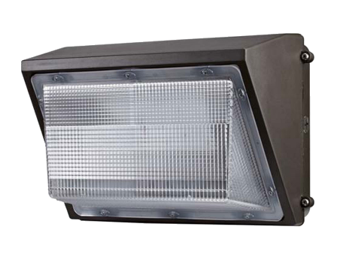
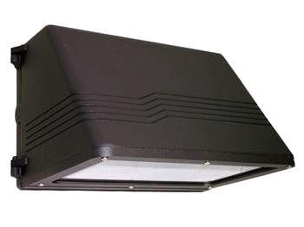
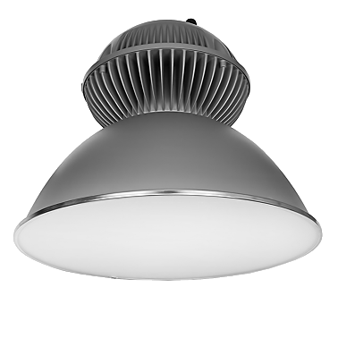
1. Exterior Wall: Traditional Forward Fixture |  |  |  |  | 2. Exterior Wall: Full Cutoff Fixture |  |  |  |  | 3. Exterior: Pole-Mountable Fixture |  |  |  |  | 4. Waterproof Fixtures
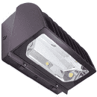

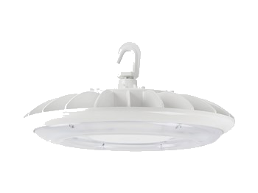
5. Heat Resistant LED Fixtures |  |  |  |  | 6. HID Bulb Replacement - Corncob Retrofit |  |  |  |  | 7. Exterior: Shoebox/Pole Area Fixtures |  |  |  |  | Lithonia LQM S W 3 R Red AC-Only LED Exit Sign

